Flow Chart Advance 2 (2)
A | Flow System
No | Proses | Section / PIC User / System
 |  | Section (user req.) | Section Approver | FA Approver | FA Payment | Section.../user… | Section.../user… | Section.../user… | Section.../user… | Section.../user… | Section.../user…
Add Advance
Form Add Advance
1 | Add Advance |  |  |  |  |  | Flow Manual Prosess Advance

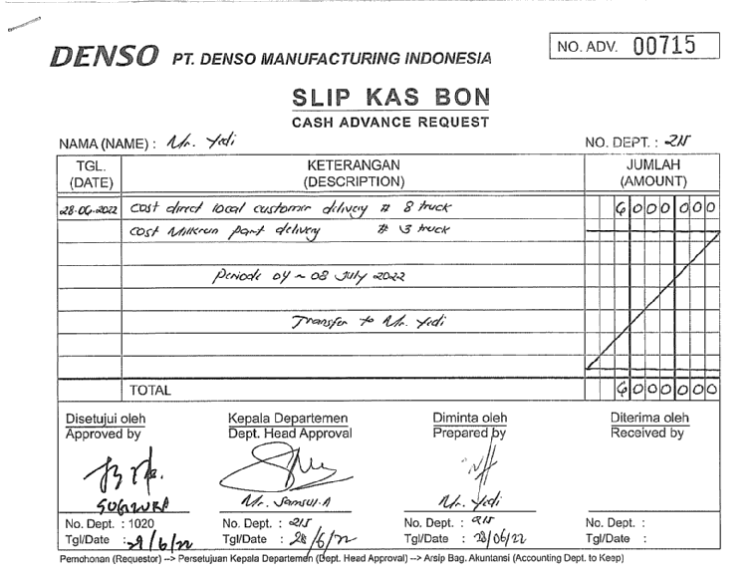
received email rejected
N
Appr 1
2 | Section Approver 1

Y
<,= 5jt
received email rejected
N
Appr 2
N
Finish Approver
Approver 1, 2
3 | Section Approver 2

Y
received email rejected
N
Appr 3
> 5jt
4 | Section Approver 4
View Approver
Form Approver

Appr 1
5 | FA Approver 1 ( Bu Endah )
received email rejected & Edit
N
Y
Appr 2
6 | FA Approver 2 ( Pak Nikko )
received email rejected & Edit
N
Y
Appr 3
7 | FA Approver 3 ( Pak Sugiura )
received email rejected & Edit
N
Update Payment Advance
Form Payment Bank
8 | FA Finance

Update Finish Payment Advance
Form Update
Transaction Advance
9 | FA Finance

10

11

12

13

14

15

16

17

18

19

20

21

22

23

24

25

26

27

28

29

30

31

32

33

34

35

36

37

38

39

40

41

42

43

44

45

46

47

48

49

50

51

52

53

54

55

56

57

58

59

60

61

62

63

64

65

66

67

68

69

70

71

72

73

74

75

76

Flow Chart Settlement (4)
A | Flow System
No | Proses | Section / PIC User / System
 |  | Section (user req.) | Section Approver | FA Approver | FA Payment | Section.../user… | Section.../user… | Section.../user… | Section.../user… | Section.../user… | Section.../user…
Add Settlement (Serching no.ADV)
Form Add Settlement
1 | Add Settlement |  |  |  |  |  | Flow Manual Prosess Settlement

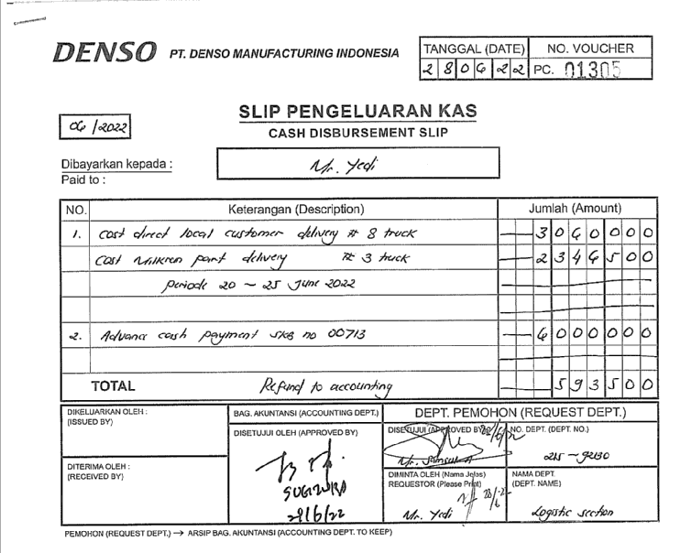
ADV (-) ACTUAL, jika <,= / > 0
N
User Refund To Finance
Approver 1, 2
Finish

Y
received email rejected & Edit
N
Y

FA Transfer To User

> 5 Juta
N
Approver 1, 2
Finish
Y

Approver 3
N
Y

Y
Appr 1
5 | FA Approver 1 ( Bu Endah )
received email rejected & Edit
N
Y
received email rejected & Edit
Appr 2
6 | FA Approver 2 ( Pak Nikko )
N
Y
Appr 3
7 | FA Approver 3 ( Pak Sugiura )
received email rejected & Edit
N
Update Payment Settlement
Form Payment Bank
8 | FA Finance

Update Finish Payment Settlement
Form Update
Transaction Settlement
9 | FA Finance

10

11

12

13

14

15

16

17

18

19

20

21

22

23

24

25

26

27

28

29

30

31

32

33

34

35

36

37

38

39

40

41

42

43

44

45

46

47

48

49

50

51

52

53

54

55

56

57

58

59

60

61

62

63

64

65

66

67

68

69

70

71

72

73

74

75

76

Flow Chart Settlement (5)
A | Flow System
No | Proses | Section / PIC User / System
 |  | Section (user req.) | Section Approver | FA Approver | FA Payment | Section.../user… | Section.../user… | Section.../user… | Section.../user… | Section.../user… | Section.../user…
Add Settlement (Serching no.ADV)
Form Add Settlement
1 | Add Settlement |  |  |  |  |  | Flow Manual Prosess Settlement

ADV (-) ACTUAL > 0
N
User Refund To Finance
Approver 2
Finish

Y

FA Transfer To User

> 5 Juta
N
Approver 2

Y

Approver 3

15

16

17

18

19

20

21

22

23

24

25

26

27

28

29

30

31

32

33

34

35

36

37

38

39

40

41

42

43

44

45

46

47

48

49

50

51

52

53

54

55

56

57

58

59

60

61

62

63

64

65

66

67

68

69

70

71

72

73

74

75

76

Flow Chart Advance 2
A | Flow System
No | Proses | Section / PIC User / System
 |  | Section (user req.) | Section Approver | FA Approver | FA Payment | Section.../user… | Section.../user… | Section.../user… | Section.../user… | Section.../user… | Section.../user…
Add Advance
Form Add Advance
1 | Add Advance |  |  |  |  |  | Flow Manual Prosess Advance

received email rejected
N
Appr 1
2 | Section Approver 1

Y
<,= 5jt
received email rejected
N
Appr 2
N
Finish Approver
Approver 1, 2
3 | Section Approver 2

Y
received email rejected
N
Appr 3
> 5jt
4 | Section Approver 4
View Approver
Form Approver

Appr 1
5 | FA Approver 1 ( Bu Endah )
received email rejected & Edit
N
Y
Appr 2
6 | FA Approver 2 ( Pak Nikko )
received email rejected & Edit
N
Y
Appr 3
7 | FA Approver 3 ( Pak Sugiura )
received email rejected & Edit
N
Update Payment Advance
Form Payment Bank
8 | FA Finance

Update Finish Payment Advance
Form Update
Transaction Advance
9 | FA Finance

10

11

12

13

14

15

16

17

18

19

20

21

22

23

24

25

26

27

28

29

30

31

32

33

34

35

36

37

38

39

40

41

42

43

44

45

46

47

48

49

50

51

52

53

54

55

56

57

58

59

60

61

62

63

64

65

66

67

68

69

70

71

72

73

74

75

76

Flow Chart Settlement (3)
A | Flow System
No | Proses | Section / PIC User / System
 |  | Section (user req.) | Section Approver | FA Approver | FA Payment | Section.../user… | Section.../user… | Section.../user… | Section.../user… | Section.../user… | Section.../user…
Add Settlement (Serching no.ADV)
Form Add Settlement
1 | Add Settlement |  |  |  |  |  | Flow Manual Prosess Settlement

ADV (-) ACTUAL, jika <,= / > 0
N
User Refund To Finance
Approver 1, 2
Finish

Y
received email rejected & Edit
N
Y

FA Transfer To User

> 5 Juta
N
Approver 1, 2
Finish
Y

Approver 3
N
Y

Y
Appr 1
5 | FA Approver 1 ( Bu Endah )
received email rejected & Edit
N
Y
received email rejected & Edit
Appr 2
6 | FA Approver 2 ( Pak Nikko )
N
Y
Appr 3
7 | FA Approver 3 ( Pak Sugiura )
received email rejected & Edit
N
Update Payment Settlement
Form Payment Bank
8 | FA Finance

Update Finish Payment Settlement
Form Update
Transaction Settlement
9 | FA Finance

10

11

12

13

14

15

16

17

18

19

20

21

22

23

24

25

26

27

28

29

30

31

32

33

34

35

36

37

38

39

40

41

42

43

44

45

46

47

48

49

50

51

52

53

54

55

56

57

58

59

60

61

62

63

64

65

66

67

68

69

70

71

72

73

74

75

76

Flow Chart Settlement (2)
A | Flow System
No | Proses | Section / PIC User / System
 |  | Section (user req.) | Section Approver | FA Approver | FA Payment | Section.../user… | Section.../user… | Section.../user… | Section.../user… | Section.../user… | Section.../user…
Add Settlement (Serching no.ADV)
Form Add Settlement
1 | Add Settlement |  |  |  |  |  | Flow Manual Prosess Settlement

ADV (-) ACTUAL > 0
N
User Refund To Finance
Approver 2
Finish

Y

FA Transfer To User

> 5 Juta
N
Approver 2

Y

Approver 3

15

16

17

18

19

20

21

22

23

24

25

26

27

28

29

30

31

32

33

34

35

36

37

38

39

40

41

42

43

44

45

46

47

48

49

50

51

52

53

54

55

56

57

58

59

60

61

62

63

64

65

66

67

68

69

70

71

72

73

74

75

76

Flow Chart Settlement
A | Flow System
No | Proses | Section / PIC User / System
 |  | Section (user req.) | Section Approver | FA Approver | FA Payment | Section.../user… | Section.../user… | Section.../user… | Section.../user… | Section.../user… | Section.../user…
Add settlement
Form Add setlement
1 | Add Settlement

received email
N
Appr 1
2 | Section Approver 1

Y
received email rejected
N
Appr 1
3 | Section Approver 2

Y
Form Approver
received email rejected
N
App ...
View Approver
4 | Section Approver 3

Appr 1
5 | FA Approver 1

View Approver
Form Approver
Appr 1
6 | FA Approver 2

App ...
7 | FA Approver 3

Update settlement
Form Add setlement
8 | FA Finance

Update settlement
Form Add setlement
9 | FA Finance

10

11

12

13

14

15

16

17

18

19

20

21

22

23

24

25

26

27

28

29

30

31

32

33

34

35

36

37

38

39

40

41

42

43

44

45

46

47

48

49

50

51

52

53

54

55

56

57

58

59

60

61

62

63

64

65

66

67

68

69

70

71

72

73

74

75

76

Flow Chart Advance
A | Flow System
No | Proses | Section / PIC User / System
 |  | Section (user req.) | Section Approver | FA Approver | FA Payment | Section.../user… | Section.../user… | Section.../user… | Section.../user… | Section.../user… | Section.../user…
Add settlement
Form Add setlement
1 | Add Settlement

received email
N
Appr 1
2 | Section Approver 1

Y
received email rejected
N
Appr 1
3 | Section Approver 2

Y
Form Approver
received email rejected
N
App ...
View Approver
4 | Section Approver 3

Appr 1
5 | FA Approver 1

View Approver
Form Approver
Appr 1
6 | FA Approver 2

App ...
7 | FA Approver 3

Update settlement
Form Add setlement
8 | FA Finance

Update settlement
Form Add setlement
9 | FA Finance

10

11

12

13

14

15

16

17

18

19

20

21

22

23

24

25

26

27

28

29

30

31

32

33

34

35

36

37

38

39

40

41

42

43

44

45

46

47

48

49

50

51

52

53

54

55

56

57

58

59

60

61

62

63

64

65

66

67

68

69

70

71

72

73

74

75

76

Form kosong
A | Page title: |  |  |  |  |  |  |  |  |  |  |  |  | Text | Text Box | Type Input | View | Type Input | View
 |  |  |  |  |  |  |  |  |  |  |  |  |  | Number | Date Time | Text Box |  | Check Box
B | Description: |  |  |  |  |  |  |  |  |  |  |  |  | Date | Radio Button
 |  |  |  |  |  |  |  |  |  |  |  |  |  |  | Check Box
 |  |  |  |  |  |  |  |  |  |  |  |  |  |  | Select Filter | Date Time |  | Select Filter | 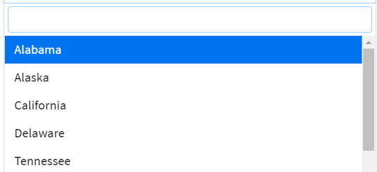
C | Page Access |  |  |  |  |  |  |  |  |  |  |  |  |  | Attach File
 | No | User Group |  | Add | Edit | Delete | View | Import | Export (Excel & Pdf) | Print Form | Insert Attachment | Finish Transaction (Transfer fund to applicant) | Summary All Advance Transactions & Bank Transfer (Excel)
 | 1
 | 2
 | 3 |  |  |  |  |  |  |  |  |  |  |  |  |  |  | Radio Button |  | Attach File
 | 4
 | 5
 | 6
 | 7
 | 8
 | 9
 | 10
 | 11
 | 12
 | 11
 | 13
 | 14
 | 15
 | 16
 | 17
 | 18
D | Field Explanation
 | No | Field name | Description |  | Type Input |  | Remark
 | 1
 | 2
 | 3
 | 4
 | 5
 | 6
 | 7
 | 8
 | 9
 | 10
 | 11
 | 12
 | 13
 | 14
 | 15
 | 16
 | 17
 | 18
 | 19
 | 20
 | 21
 | 22
 | 23
 | 24
E | Spesific rule and formula

F | Other remark
 | Pengecualian:
 | Catatan/modifikasi khusus:
 | 1
 | 2

G | View desaign (For search,view and filter data)
 | Ilustrasi

 | Form Input desaign (For input or update data)
 | Ilustrasi

Form Advance
A | Page title: |  |  |  |  |  |  |  |  |  |  |  |  | Text | Text Box | Type Input | View | Type Input | View
 | FORM ADVANCE REQUEST |  |  |  |  |  |  |  |  |  |  |  |  | Number | Date Time | Text Box |  | Check Box
B | Description: |  |  |  |  |  |  |  |  |  |  |  |  | Date | Radio Button
 | Transaksi Permintaan Uang |  |  |  |  |  |  |  |  |  |  |  |  |  | Check Box
 |  |  |  |  |  |  |  |  |  |  |  |  |  |  | Select Filter | Date Time |  | Select Filter
C | Page Access |  |  |  |  |  |  |  |  |  |  |  |  |  | Attach File
 | No | User Group |  | Add | Edit | Delete | View | Import | Export (Excel & Pdf) | Print Form | Insert Attachment | Finish Transaction (Transfer fund to applicant) | Summary All Advance Transactions & Bank Transfer (Excel)
 | 1 | FA |  | O | O | O | O | O | O | O | O | O | O
 | 2 | GA |  | O | O | X | O | X | X | O | O | X | O
 | 3 | HRD |  | O | O | X | O | X | X | O | O | X | O |  |  | Radio Button |  | Attach File
 | 4 | PROCRUMENT |  | O | O | X | O | X | X | O | O | X | O
 | 5 | IR & LEGAL |  | O | O | X | O | X | X | O | O | X | O
 | 6 | PC |  | O | O | X | O | X | X | O | O | X | O
 | 7 | QA/QC |  | O | O | X | O | X | X | O | O | X | O
 | 8 | MARKETING |  | O | O | X | O | X | X | O | O | X | O
 | 9 | WAREHOUSE |  | O | O | X | O | X | X | O | O | X | O
 | 10 | EXIM |  | O | O | X | O | X | X | O | O | X | O
 | 11 | PE |  | O | O | X | O | X | X | O | O | X | O
 | 12 | SHE |  | O | O | X | O | X | X | O | O | X | O
 | 11 | FACILITY |  | O | O | X | O | X | X | O | O | X | O
 | 13 | TIE |  | O | O | X | O | X | X | O | O | X | O
 | 14 | MAINTENACE |  | O | O | X | O | X | X | O | O | X | O
 | 15 | MACHINERY |  | O | O | X | O | X | X | O | O | X | O
 | 16 | MANUFACTURING |  | O | O | X | O | X | X | O | O | X | O
 | 17 | IT |  | O | O | X | O | X | X | O | O | X | O
 | 18 | BUSINESS ADMINSTRATION |  | O | O | X | O | X | X | O | O | X | O
D | Field Explanation
 | No | Field name | Description |  | Type Input |  | Remark
 | 1 | Request Item |  |  | Select Filter |  | Di layar utama, pilih form e-wire, advance, atau settlement
Data
 | 2 | Date |  |  | Date Time |  | Otomatis sesuai tgl di kalender berjalan
 | 3 | No. Advace |  |  | Text Box |  | Penomeran Otomatis by system (tidak bisa di edit) |  |  |  |  |  |  | ADV[YYYYMMDD]
Request By
 | 4 | Name |  |  | Text Box |  | Nama User (Otomatis ketika login menggunakan User ID milik applicant tsb)
 | 5 | NIK User |  |  | Text Box |  | Otomatis ketika login menggunakan User ID milik applicant tsb
 | 6 | Section |  |  | Text Box |  | Otomatis ketika login menggunakan User ID milik applicant tsb
 | 7 | Detail Request |  |  | Text Box |  | Keterangan Transaksi
 | 8 | Budget |  |  | Radio Button |  | pilih (Budget or Non Budget)
Amount Request
 | 9 | Curency |  |  | Radio Button |  | IDR, USD, JPY
 | 10 | Amount |  |  | Text Box |  | Format Number; with 2 digit decimal; separator thousand in comma (minta tolong yg di e-wire juga direvise menjadi seperti ini)
Beneficiary
 | 11 | Beneficiary Transfer Name |  |  | Text Box |  | Type into
 | 12 | Bank |  |  | Text Box |  | Type into
 | 13 | Acc Number |  |  | Text Box |  | Type into
 | 14 | Attachment |  |  | Attach File |  | pdf file (attach 1,2,3)
Table
 | 15 | Approver Dept User |  |  | Text Box |  | dibuatkan list approver per department yang mencantumkan nama dan tanggal approve
 | 16 | Approver Dept Finance |  |  | Text Box |  | dibuatkan list approver di dept. Financet yang mencantumkan nama dan tanggal approve
 | 17 | Finish Payment : Bank |  |  | Select Filter |  | BTPN IDR, BTPN USD |  |  |  |  |  |  | Master data lihat di form kurs dan bank
 | 18 | Finish Payment : Amount |  |  | Text Box |  | Format Number; with 2 digit decimal; separator thousand in comma (minta tolong yg di e-wire juga direvise menjadi seperti ini)
 | 19 | Finish payment : Date |  |  | Date Time
 | 20
 | 21
 | 22
 | 23
 | 24
E | Spesific rule and formula

F | Other remark
 | Pengecualian:
 | Catatan/modifikasi khusus:
 | 1 | Notifikasi untuk kadarluarsa Advance yaitu 1 bulan lamanya (untuk harus segera di settlement transaksi advance).
 | 2 | Advance yang lebih dari 1 bulan user tidak bisa kembali membuat transaksi advance baru.

G | View desaign (For search,view and filter data)
 | Ilustrasi
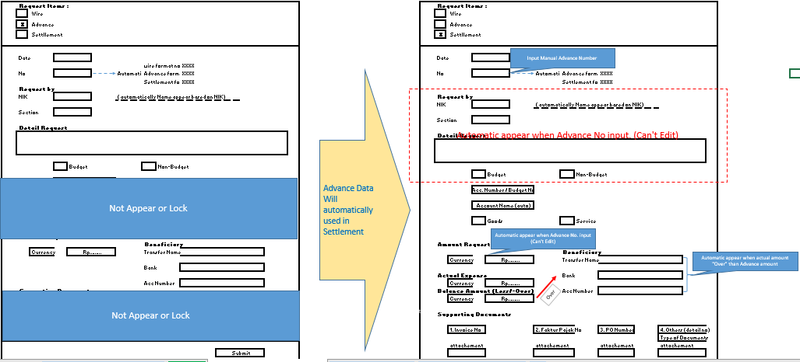

 | Form Input desaign (For input or update data)
 | Ilustrasi

